Individual
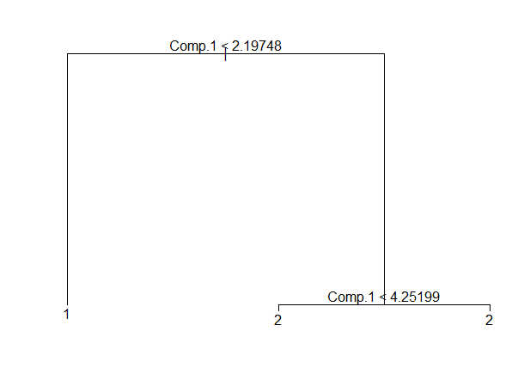
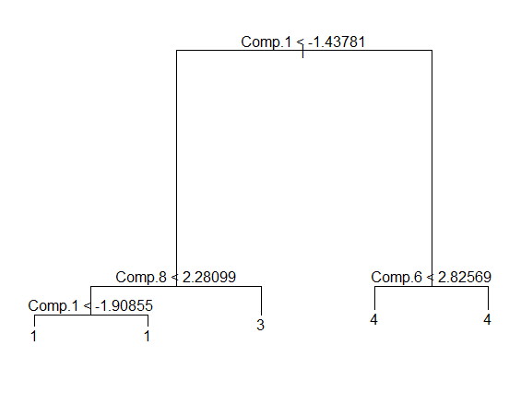
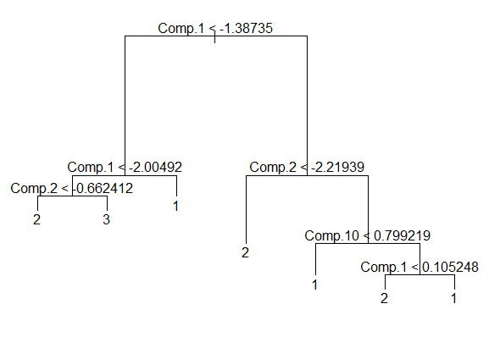
 |  |  | session_id | person_id | group |  |  |  | session_id | person_id | group |  |  |  |  |  | session_id | person_id | group
cp_session_category_count_1 |  |  | 5988.0000019999998 | 8720017 | 1 |  |  | 1 | 5988.0000010000003 | 18703931 | 2 |  |  |  |  | 1 | 5988.0000010000003 | 19280592 | 3
410079194 | 3249199969 | 2 | 5988.0000030000001 | 8720016 | 2 |  |  | 2 | 5988.0000019999998 | 18703931 | 1 |  |  |  |  | 2 | 5988.0000019999998 | 19280590 | 3
cp_session_category_count_2 |  |  | 5988.0000040000004 | 8720016 | 2 |  |  | 3 | 5988.0000030000001 | 18703931 | 2 |  |  |  |  | 3 | 5988.0000030000001 | 19280592 | 3
1632659786 | 3564321911 | 2 | 5988.0000060000002 | 8720016 | 2 |  |  | 4 | 5988.0000040000004 | 18703931 | 2 |  |  |  |  | 4 | 5989.0000010000003 | 19280590 | 2
cp_session_category_count_3 |  |  | 5988.0000069999996 | 8720017 | 2 |  |  | 5 | 5988.0000049999999 | 18703931 | 2 |  |  |  |  | 5 | 5989.0000030000001 | 19280592 | 3
1673309184 | 513234505 | 4 | 5988.0000080000000 | 8720016 | 2 |  |  | 6 | 5988.0000060000002 | 18703931 | 2 |  |  |  |  | 6 | 5989.0000040000004 | 19280592 | 3
cp_session_category_count_4 |  |  | 5989.0000010000003 | 8720016 | 2 |  |  | 7 | 5988.0000069999996 | 18703931 | 2 |  |  |  |  | 7 | 5989.0000049999999 | 19280592 | 3
3625126962 | 1839363232 | 3 | 5989.0000019999998 | 8720016 | 2 |  |  | 8 | 5989.0000010000003 | 18703931 | 2 |  |  |  |  | 8 | 5989.0000060000002 | 19280592 | 3
 |  |  | 5989.0000030000001 | 8720016 | 1 |  |  | 9 | 5989.0000019999998 | 18703931 | 2 |  |  |  |  | 9 | 5990.0000010000003 | 19280592 | 3
 |  |  | 5989.0000049999999 | 8720016 | 2 |  |  | 10 | 5989.0000030000001 | 18703931 | 2 |  |  |  |  | 10 | 5990.0000030000001 | 19280593 | 1
 |  |  | 5989.0000060000002 | 8720016 | 2 |  |  | 11 | 5989.0000040000004 | 18703931 | 2 |  |  |  |  | 11 | 5990.0000040000004 | 19280593 | 3
 |  |  | 5990.0000010000003 | 8720017 | 2 |  |  | 12 | 5989.0000049999999 | 18703932 | 2 |  |  |  |  | 12 | 5990.0000049999999 | 19280592 | 3
 |  |  | 5990.0000019999998 | 8720016 | 2 |  |  | 13 | 5989.0000069999996 | 18703931 | 2 |  |  |  |  | 13 | 5991.0000010000003 | 19280592 | 3
 |  |  | 5990.0000030000001 | 8720016 | 2 |  |  | 14 | 5989.0000080000000 | 18703928 | 2 |  |  |  |  | 14 | 5991.0000019999998 | 19280590 | 3
 |  |  | 5990.0000040000004 | 8720016 | 2 |  |  | 15 | 5989.0000090000003 | 18703931 | 2 |  |  |  |  | 15 | 5991.0000030000001 | 19280593 | 3
 |  |  | 5990.0000049999999 | 8720017 | 2 |  |  | 16 | 5990.0000010000003 | 18703931 | 2 |  |  |  |  | 16 | 5991.0000040000004 | 19280593 | 3
 |  |  | 5991.0000019999998 | 8720016 | 2 |  |  | 17 | 5990.0000019999998 | 18703931 | 1 |  |  |  |  | 17 | 5991.0000060000002 | 19280592 | 3
 |  |  | 5991.0000030000001 | 8720016 | 2 |  |  | 18 | 5990.0000030000001 | 18703931 | 2 |  |  |  |  | 18 | 5991.0000069999996 | 19280592 | 3
 |  |  | 5991.0000040000004 | 8720016 | 2 |  |  | 19 | 5990.0000040000004 | 18703932 | 2 |  |  |  |  | 19 | 5991.0000090000003 | 19280592 | 3
 |  |  | 5991.0000060000002 | 8720016 | 2 |  |  | 20 | 5990.0000049999999 | 18703928 | 2 |  |  |  |  | 20 | 5992.0000010000003 | 19280592 | 3
 |  |  | 5991.0000080000000 | 8720016 | 2 |  |  | 21 | 5990.0000060000002 | 18703932 | 2 |  |  |  |  | 21 | 5992.0000030000001 | 19280592 | 3
 |  |  | 5992.0000010000003 | 8720016 | 2 |  |  | 22 | 5990.0000069999996 | 18703931 | 2 |  |  |  |  | 22 | 5992.0000040000004 | 19280593 | 2
 |  |  | 5992.0000019999998 | 8720016 | 2 | 1 | 2 | 23 | 5990.0000080000000 | 18703931 | 2 |  |  |  |  | 23 | 5992.0000049999999 | 19280593 | 3
 |  |  | 5992.0000030000001 | 8720016 | 1 | 196 | 9 | 24 | 5990.0000090000003 | 18703931 | 2 | 1 | 2 | 3 | 4 | 24 | 5992.0000060000002 | 19280593 | 3
 |  |  | 5992.0000049999999 | 8720016 | 2 |  |  | 25 | 5991.0000010000003 | 18703932 | 2 | 29 | 198 | 13 | 1 | 25 | 5992.0000069999996 | 19280592 | 3 | 1 | 2 | 3
 |  |  | 5992.0000060000002 | 8720016 | 2 | 8720016 | 8720017 | 26 | 5991.0000019999998 | 18703931 | 2 |  |  |  |  | 26 | 5992.0000090000003 | 19280593 | 1 | 12 | 22 | 196
 |  |  | 5992.0000069999996 | 8720017 | 2 | 171 | 34 | 27 | 5991.0000030000001 | 18703931 | 2 | 18703928 | 18703931 | 18703932 | 18703933 | 27 | 5993.0000010000003 | 19280592 | 3
 |  |  | 5993.0000010000003 | 8720016 | 2 |  |  | 28 | 5991.0000040000004 | 18703928 | 2 | 25 | 165 | 46 | 5 | 28 | 5993.0000019999998 | 19280593 | 2 | 19280590 | 19280592 | 19280593
 |  |  | 5993.0000019999998 | 8720016 | 2 |  |  | 29 | 5991.0000060000002 | 18703931 | 3 |  |  |  |  | 29 | 5993.0000040000004 | 19280592 | 3 | 55 | 120 | 55
 |  |  | 5993.0000030000001 | 8720016 | 2 |  |  | 30 | 5991.0000069999996 | 18703932 | 2 |  |  |  |  | 30 | 5993.0000049999999 | 19280592 | 3
 |  |  | 5993.0000049999999 | 8720016 | 2 | Hierarchical Cluster |  | 31 | 5991.0000080000000 | 18703931 | 2 | Hierarchical Cluster |  |  |  | 31 | 5994.0000010000003 | 19280592 | 3 |  | Hierarchical Cluster
 |  |  | 5994.0000010000003 | 8720016 | 2 |  |  | 32 | 5991.0000090000003 | 18703931 | 2 |  |  |  |  | 32 | 5994.0000019999998 | 19280592 | 3
 |  |  | 5994.0000019999998 | 8720016 | 2 |  |  | 33 | 5991.0000099999997 | 18703931 | 1 |  |  |  |  | 33 | 5994.0000030000001 | 19280590 | 3
 |  |  | 5994.0000030000001 | 8720016 | 2 |  |  | 34 | 5991.0000110000001 | 18703928 | 2 |  |  |  |  | 34 | 5994.0000040000004 | 19280590 | 2
 |  |  | 5994.0000040000004 | 8720017 | 2 |  |  | 35 | 5992.0000010000003 | 18703931 | 2 |  |  |  |  | 35 | 5994.0000049999999 | 19280592 | 3
 |  |  | 5995.0000010000003 | 8720016 | 2 |  |  | 36 | 5992.0000019999998 | 18703931 | 2 |  |  |  |  | 36 | 5994.0000060000002 | 19280592 | 3
 |  |  | 5995.0000019999998 | 8720016 | 2 |  |  | 37 | 5992.0000030000001 | 18703931 | 2 |  |  |  |  | 37 | 5995.0000010000003 | 19280592 | 3
 |  |  | 5995.0000030000001 | 8720016 | 1 |  |  | 38 | 5992.0000040000004 | 18703928 | 2 |  |  |  |  | 38 | 5995.0000019999998 | 19280590 | 3
 |  |  | 5995.0000040000004 | 8720017 | 2 |  |  | 39 | 5992.0000049999999 | 18703932 | 2 |  |  |  |  | 39 | 5995.0000030000001 | 19280593 | 3
 |  |  | 5995.0000049999999 | 8720017 | 2 |  |  | 40 | 5994.0000010000003 | 18703932 | 2 |  |  |  |  | 40 | 5995.0000040000004 | 19280592 | 3
 |  |  | 5995.0000060000002 | 8720016 | 2 |  |  | 41 | 5994.0000019999998 | 18703932 | 2 |  |  |  |  | 41 | 5995.0000049999999 | 19280593 | 1
 |  |  | 5995.0000069999996 | 8720016 | 2 |  |  | 42 | 5994.0000030000001 | 18703931 | 2 |  |  |  |  | 42 | 5996.0000010000003 | 19280592 | 3
 |  |  | 5995.0000080000000 | 8720016 | 2 |  |  | 43 | 5994.0000040000004 | 18703932 | 2 |  |  |  |  | 43 | 5996.0000019999998 | 19280592 | 3
 |  |  | 5995.0000090000003 | 8720016 | 2 |  |  | 44 | 5994.0000049999999 | 18703932 | 2 |  |  |  |  | 44 | 5996.0000030000001 | 19280590 | 3
 |  |  | 5995.0000099999997 | 8720016 | 1 |  |  | 45 | 5995.0000010000003 | 18703931 | 3 |  |  |  |  | 45 | 5996.0000040000004 | 19280592 | 3
 |  |  | 5996.0000010000003 | 8720016 | 2 |  |  | 46 | 5995.0000019999998 | 18703931 | 2 |  |  |  |  | 46 | 5996.0000049999999 | 19280592 | 3
 |  |  | 5996.0000019999998 | 8720016 | 2 |  |  | 47 | 5995.0000030000001 | 18703931 | 1 |  |  |  |  | 47 | 5996.0000060000002 | 19280592 | 3
 |  |  | 5996.0000030000001 | 8720016 | 2 |  |  | 48 | 5995.0000040000004 | 18703932 | 2 |  |  |  |  | 48 | 5996.0000069999996 | 19280592 | 3
 |  |  | 5996.0000040000004 | 8720016 | 2 |  |  | 49 | 5996.0000010000003 | 18703931 | 2 |  |  |  |  | 49 | 5997.0000010000003 | 19280592 | 3
 |  |  | 5996.0000060000002 | 8720016 | 2 |  |  | 50 | 5996.0000019999998 | 18703928 | 2 |  |  |  |  | 50 | 5997.0000019999998 | 19280592 | 3
 |  |  | 5997.0000010000003 | 8720016 | 2 |  |  | 51 | 5996.0000030000001 | 18703931 | 2 |  |  |  |  | 51 | 5997.0000030000001 | 19280590 | 1
 |  |  | 5997.0000019999998 | 8720017 | 2 |  |  | 52 | 5996.0000040000004 | 18703931 | 2 |  |  |  |  | 52 | 5997.0000040000004 | 19280592 | 1
 |  |  | 5997.0000030000001 | 8720016 | 2 |  |  | 53 | 5996.0000049999999 | 18703932 | 2 |  |  |  |  | 53 | 5997.0000049999999 | 19280592 | 3
 |  |  | 5998.0000010000003 | 8720016 | 2 |  |  | 54 | 5996.0000060000002 | 18703931 | 2 |  |  |  |  | 54 | 5997.0000060000002 | 19280592 | 3
 |  |  | 5998.0000019999998 | 8720016 | 2 |  |  | 55 | 5997.0000010000003 | 18703931 | 2 |  |  |  |  | 55 | 5997.0000069999996 | 19280590 | 3
 |  |  | 5998.0000030000001 | 8720016 | 2 |  |  | 56 | 5997.0000019999998 | 18703931 | 2 |  |  |  |  | 56 | 5997.0000080000000 | 19280590 | 2
 |  |  | 5998.0000040000004 | 8720016 | 2 |  |  | 57 | 5997.0000030000001 | 18703931 | 2 |  |  |  |  | 57 | 5997.0000090000003 | 19280592 | 3
 |  |  | 5998.0000049999999 | 8720016 | 2 |  |  | 58 | 5997.0000040000004 | 18703932 | 2 |  |  |  |  | 58 | 5998.0000010000003 | 19280592 | 3
 |  |  | 5998.0000060000002 | 8720016 | 2 |  |  | 59 | 5997.0000049999999 | 18703931 | 2 |  |  |  |  | 59 | 5998.0000019999998 | 19280592 | 3
 |  |  | 5998.0000069999996 | 8720016 | 2 |  |  | 60 | 5997.0000060000002 | 18703931 | 2 |  |  |  |  | 60 | 5998.0000030000001 | 19280590 | 3
 |  |  | 5998.0000080000000 | 8720016 | 2 |  |  | 61 | 5997.0000069999996 | 18703932 | 2 |  |  |  |  | 61 | 5998.0000040000004 | 19280590 | 3
 |  |  | 5998.0000090000003 | 8720017 | 2 |  |  | 62 | 5997.0000080000000 | 18703931 | 2 |  |  |  |  | 62 | 5998.0000049999999 | 19280593 | 3
 |  |  | 5999.0000019999998 | 8720016 | 2 |  |  | 63 | 5997.0000090000003 | 18703931 | 2 |  |  |  |  | 63 | 5999.0000010000003 | 19280590 | 3
 |  |  | 5999.0000030000001 | 8720017 | 2 |  |  | 64 | 5997.0000099999997 | 18703931 | 2 |  |  |  |  | 64 | 5999.0000019999998 | 19280592 | 3
 |  |  | 5999.0000049999999 | 8720016 | 2 |  |  | 65 | 5997.0000110000001 | 18703931 | 2 |  |  |  |  | 65 | 5999.0000030000001 | 19280590 | 3
 |  |  | 5999.0000069999996 | 8720016 | 2 |  |  | 66 | 5997.0000120000004 | 18703931 | 2 |  |  |  |  | 66 | 5999.0000040000004 | 19280592 | 3
 |  |  | 5999.0000080000000 | 8720016 | 2 |  |  | 67 | 5997.0000129999999 | 18703931 | 2 |  |  |  |  | 67 | 5999.0000049999999 | 19280590 | 3
 |  |  | 6000.0000010000003 | 8720016 | 2 |  |  | 68 | 5998.0000010000003 | 18703931 | 2 |  |  |  |  | 68 | 5999.0000060000002 | 19280593 | 2
 |  |  | 6000.0000019999998 | 8720016 | 2 |  |  | 69 | 5998.0000019999998 | 18703932 | 2 |  |  |  |  | 69 | 5999.0000069999996 | 19280592 | 3
 |  |  | 6000.0000030000001 | 8720016 | 2 |  |  | 70 | 5998.0000030000001 | 18703931 | 2 |  |  |  |  | 70 | 5999.0000080000000 | 19280593 | 3
 |  |  | 6000.0000040000004 | 8720016 | 2 |  |  | 71 | 5998.0000040000004 | 18703933 | 2 |  |  |  |  | 71 | 6000.0000030000001 | 19280590 | 2
 |  |  | 6000.0000049999999 | 8720016 | 2 |  |  | 72 | 5998.0000049999999 | 18703932 | 2 |  |  |  |  | 72 | 6000.0000040000004 | 19280592 | 3
 |  |  | 6000.0000060000002 | 8720016 | 2 |  |  | 73 | 5998.0000060000002 | 18703932 | 2 |  |  |  |  | 73 | 6000.0000049999999 | 19280590 | 3
 |  |  | 6001.0000010000003 | 8720016 | 2 |  |  | 74 | 5998.0000080000000 | 18703932 | 2 |  |  |  |  | 74 | 6001.0000010000003 | 19280592 | 3
 |  |  | 6001.0000019999998 | 8720017 | 2 |  |  | 75 | 5998.0000090000003 | 18703931 | 3 |  |  |  |  | 75 | 6001.0000030000001 | 19280592 | 3
 |  |  | 6001.0000030000001 | 8720016 | 2 |  |  | 76 | 5998.0000099999997 | 18703931 | 2 |  |  |  |  | 76 | 6001.0000040000004 | 19280592 | 3
 |  |  | 6001.0000040000004 | 8720016 | 2 |  |  | 77 | 5998.0000110000001 | 18703931 | 2 |  |  |  |  | 77 | 6001.0000049999999 | 19280593 | 3
 |  |  | 6001.0000049999999 | 8720016 | 2 |  |  | 78 | 5999.0000010000003 | 18703928 | 2 |  |  |  |  | 78 | 6001.0000060000002 | 19280592 | 3
 |  |  | 6001.0000060000002 | 8720016 | 2 |  |  | 79 | 5999.0000019999998 | 18703928 | 2 |  |  |  |  | 79 | 6001.0000069999996 | 19280593 | 1
 |  |  | 6001.0000069999996 | 8720016 | 2 |  |  | 80 | 5999.0000040000004 | 18703931 | 2 |  |  |  |  | 80 | 6001.0000080000000 | 19280593 | 3
 |  |  | 6001.0000080000000 | 8720016 | 2 |  |  | 81 | 5999.0000049999999 | 18703931 | 2 |  |  |  |  | 81 | 6001.0000090000003 | 19280592 | 3
 |  |  | 6001.0000090000003 | 8720016 | 2 |  |  | 82 | 5999.0000060000002 | 18703931 | 1 |  |  |  |  | 82 | 6001.0000099999997 | 19280592 | 3
 |  |  | 6002.0000010000003 | 8720016 | 2 |  |  | 83 | 5999.0000069999996 | 18703932 | 2 |  |  |  |  | 83 | 6002.0000010000003 | 19280592 | 3
 |  |  | 6002.0000019999998 | 8720016 | 2 |  |  | 84 | 5999.0000080000000 | 18703931 | 2 |  |  |  |  | 84 | 6002.0000019999998 | 19280590 | 3
 |  |  | 6002.0000040000004 | 8720016 | 2 |  |  | 85 | 6000.0000010000003 | 18703931 | 4 |  |  |  |  | 85 | 6002.0000030000001 | 19280592 | 3
 |  |  | 6002.0000049999999 | 8720017 | 2 |  |  | 86 | 6000.0000019999998 | 18703931 | 2 |  |  |  |  | 86 | 6002.0000040000004 | 19280590 | 3
 |  |  | 6002.0000060000002 | 8720016 | 2 |  |  | 87 | 6000.0000030000001 | 18703931 | 1 |  |  |  |  | 87 | 6002.0000049999999 | 19280590 | 2
 |  |  | 6002.0000069999996 | 8720016 | 2 |  |  | 88 | 6000.0000040000004 | 18703931 | 2 |  |  |  |  | 88 | 6002.0000060000002 | 19280592 | 3
 |  |  | 6002.0000080000000 | 8720016 | 2 |  |  | 89 | 6000.0000049999999 | 18703932 | 2 |  |  |  |  | 89 | 6002.0000069999996 | 19280592 | 3
 |  |  | 6002.0000090000003 | 8720016 | 2 |  |  | 90 | 6000.0000060000002 | 18703932 | 2 |  |  |  |  | 90 | 6003.0000010000003 | 19280592 | 3
 |  |  | 6002.0000099999997 | 8720016 | 2 |  |  | 91 | 6000.0000069999996 | 18703931 | 2 |  |  |  |  | 91 | 6003.0000019999998 | 19280592 | 3
 |  |  | 6002.0000110000001 | 8720016 | 2 |  |  | 92 | 6001.0000010000003 | 18703932 | 2 |  |  |  |  | 92 | 6003.0000030000001 | 19280592 | 3
 |  |  | 6002.0000120000004 | 8720016 | 2 |  |  | 93 | 6001.0000019999998 | 18703931 | 2 |  |  |  |  | 93 | 6003.0000040000004 | 19280592 | 3
 |  |  | 6003.0000019999998 | 8720016 | 2 |  |  | 94 | 6001.0000030000001 | 18703931 | 3 |  |  |  |  | 94 | 6003.0000049999999 | 19280592 | 3
 |  |  | 6003.0000030000001 | 8720016 | 2 |  |  | 95 | 6001.0000040000004 | 18703928 | 1 |  |  |  |  | 95 | 6003.0000060000002 | 19280593 | 3
 |  |  | 6003.0000040000004 | 8720016 | 2 |  |  | 96 | 6001.0000049999999 | 18703931 | 2 |  |  |  |  | 96 | 6004.0000019999998 | 19280590 | 1
 |  |  | 6003.0000049999999 | 8720016 | 2 |  |  | 97 | 6001.0000060000002 | 18703931 | 1 |  |  |  |  | 97 | 6004.0000030000001 | 19280593 | 1
 |  |  | 6003.0000060000002 | 8720016 | 2 |  |  | 98 | 6001.0000069999996 | 18703931 | 2 |  |  |  |  | 98 | 6004.0000040000004 | 19280593 | 2
 |  |  | 6003.0000069999996 | 8720016 | 1 |  |  | 99 | 6001.0000080000000 | 18703931 | 2 |  |  |  |  | 99 | 6004.0000049999999 | 19280590 | 3
 |  |  | 6004.0000010000003 | 8720016 | 2 |  |  | 100 | 6001.0000090000003 | 18703931 | 2 |  |  |  |  | 100 | 6004.0000060000002 | 19280592 | 3
 |  |  | 6004.0000019999998 | 8720016 | 2 |  |  | 101 | 6002.0000010000003 | 18703931 | 2 |  |  |  |  | 101 | 6004.0000069999996 | 19280593 | 1
 |  |  | 6004.0000030000001 | 8720016 | 2 |  |  | 102 | 6002.0000019999998 | 18703931 | 2 |  |  |  |  | 102 | 6005.0000010000003 | 19280592 | 3
 |  |  | 6004.0000040000004 | 8720016 | 2 |  |  | 103 | 6002.0000030000001 | 18703928 | 2 |  |  |  |  | 103 | 6005.0000019999998 | 19280590 | 3
 |  |  | 6004.0000049999999 | 8720016 | 2 |  |  | 104 | 6002.0000040000004 | 18703932 | 2 |  |  |  |  | 104 | 6005.0000030000001 | 19280592 | 3
 |  |  | 6004.0000060000002 | 8720016 | 2 |  |  | 105 | 6002.0000049999999 | 18703932 | 2 |  |  |  |  | 105 | 6005.0000040000004 | 19280592 | 3
 |  |  | 6004.0000069999996 | 8720016 | 2 |  |  | 106 | 6002.0000060000002 | 18703932 | 2 |  |  |  |  | 106 | 6005.0000049999999 | 19280590 | 3
 |  |  | 6005.0000010000003 | 8720016 | 2 |  |  | 107 | 6002.0000069999996 | 18703931 | 2 |  |  |  |  | 107 | 6005.0000060000002 | 19280590 | 3
 |  |  | 6005.0000030000001 | 8720016 | 2 |  |  | 108 | 6002.0000080000000 | 18703931 | 1 |  |  |  |  | 108 | 6005.0000090000003 | 19280592 | 3
 |  |  | 6005.0000040000004 | 8720016 | 2 |  |  | 109 | 6002.0000090000003 | 18703931 | 2 |  |  |  |  | 109 | 6006.0000010000003 | 19280590 | 3
 |  |  | 6005.0000049999999 | 8720016 | 2 |  |  | 110 | 6003.0000010000003 | 18703931 | 2 |  |  |  |  | 110 | 6006.0000030000001 | 19280592 | 3
 |  |  | 6005.0000060000002 | 8720017 | 2 |  |  | 111 | 6003.0000019999998 | 18703931 | 2 |  |  |  |  | 111 | 6006.0000040000004 | 19280592 | 3
 |  |  | 6006.0000010000003 | 8720016 | 2 |  |  | 112 | 6003.0000030000001 | 18703932 | 2 |  |  |  |  | 112 | 6006.0000049999999 | 19280593 | 3
 |  |  | 6006.0000019999998 | 8720017 | 2 |  |  | 113 | 6003.0000040000004 | 18703932 | 2 |  |  |  |  | 113 | 6006.0000060000002 | 19280592 | 3
 |  |  | 6006.0000030000001 | 8720017 | 2 |  |  | 114 | 6003.0000049999999 | 18703931 | 2 |  |  |  |  | 114 | 6006.0000069999996 | 19280592 | 3
 |  |  | 6006.0000040000004 | 8720016 | 2 |  |  | 115 | 6003.0000060000002 | 18703931 | 2 |  |  |  |  | 115 | 6006.0000090000003 | 19280590 | 3
 |  |  | 6006.0000049999999 | 8720016 | 2 |  |  | 116 | 6004.0000010000003 | 18703931 | 1 |  |  |  |  | 116 | 6006.0000099999997 | 19280592 | 3
 |  |  | 6006.0000060000002 | 8720016 | 2 |  |  | 117 | 6004.0000019999998 | 18703931 | 3 |  |  |  |  | 117 | 6007.0000010000003 | 19280592 | 3
 |  |  | 6006.0000069999996 | 8720016 | 2 |  |  | 118 | 6004.0000040000004 | 18703933 | 2 |  |  |  |  | 118 | 6007.0000019999998 | 19280593 | 3
 |  |  | 6007.0000010000003 | 8720016 | 2 |  |  | 119 | 6004.0000049999999 | 18703933 | 2 |  |  |  |  | 119 | 6007.0000030000001 | 19280590 | 3
 |  |  | 6007.0000030000001 | 8720016 | 2 |  |  | 120 | 6004.0000060000002 | 18703931 | 1 |  |  |  |  | 120 | 6007.0000040000004 | 19280592 | 3
 |  |  | 6007.0000040000004 | 8720016 | 2 |  |  | 121 | 6004.0000069999996 | 18703931 | 2 |  |  |  |  | 121 | 6007.0000049999999 | 19280592 | 3
 |  |  | 6007.0000049999999 | 8720016 | 2 |  |  | 122 | 6004.0000080000000 | 18703931 | 1 |  |  |  |  | 122 | 6007.0000060000002 | 19280592 | 3
 |  |  | 6007.0000060000002 | 8720017 | 2 |  |  | 123 | 6005.0000010000003 | 18703931 | 1 |  |  |  |  | 123 | 6008.0000010000003 | 19280592 | 3
 |  |  | 6007.0000069999996 | 8720016 | 2 |  |  | 124 | 6005.0000019999998 | 18703931 | 3 |  |  |  |  | 124 | 6008.0000019999998 | 19280590 | 3
 |  |  | 6007.0000080000000 | 8720016 | 2 |  |  | 125 | 6005.0000030000001 | 18703931 | 2 |  |  |  |  | 125 | 6008.0000060000002 | 19280592 | 3
 |  |  | 6007.0000090000003 | 8720016 | 2 |  |  | 126 | 6005.0000040000004 | 18703931 | 2 |  |  |  |  | 126 | 6008.0000069999996 | 19280592 | 3
 |  |  | 6008.0000010000003 | 8720016 | 2 |  |  | 127 | 6005.0000049999999 | 18703932 | 2 |  |  |  |  | 127 | 6008.0000080000000 | 19280593 | 2
 |  |  | 6008.0000019999998 | 8720016 | 2 |  |  | 128 | 6005.0000060000002 | 18703932 | 2 |  |  |  |  | 128 | 6009.0000010000003 | 19280593 | 3
 |  |  | 6008.0000030000001 | 8720017 | 2 |  |  | 129 | 6005.0000069999996 | 18703931 | 2 |  |  |  |  | 129 | 6009.0000019999998 | 19280592 | 3
 |  |  | 6008.0000049999999 | 8720016 | 2 |  |  | 130 | 6005.0000080000000 | 18703931 | 3 |  |  |  |  | 130 | 6009.0000030000001 | 19280592 | 3
 |  |  | 6008.0000060000002 | 8720017 | 2 |  |  | 131 | 6006.0000010000003 | 18703931 | 2 |  |  |  |  | 131 | 6009.0000060000002 | 19280592 | 3
 |  |  | 6008.0000080000000 | 8720016 | 2 |  |  | 132 | 6006.0000019999998 | 18703931 | 2 |  |  |  |  | 132 | 6009.0000069999996 | 19280592 | 3
 |  |  | 6008.0000090000003 | 8720016 | 2 |  |  | 133 | 6006.0000030000001 | 18703931 | 2 |  |  |  |  | 133 | 6010.0000010000003 | 19280590 | 3
 |  |  | 6008.0000099999997 | 8720017 | 2 |  |  | 134 | 6006.0000040000004 | 18703928 | 2 |  |  |  |  | 134 | 6010.0000019999998 | 19280593 | 3
 |  |  | 6009.0000010000003 | 8720016 | 2 |  |  | 135 | 6006.0000049999999 | 18703931 | 2 |  |  |  |  | 135 | 6010.0000030000001 | 19280590 | 3
 |  |  | 6009.0000019999998 | 8720016 | 2 |  |  | 136 | 6006.0000060000002 | 18703928 | 3 |  |  |  |  | 136 | 6010.0000040000004 | 19280590 | 3
 |  |  | 6009.0000030000001 | 8720016 | 2 |  |  | 137 | 6006.0000069999996 | 18703931 | 2 |  |  |  |  | 137 | 6010.0000049999999 | 19280590 | 3
 |  |  | 6009.0000040000004 | 8720017 | 1 |  |  | 138 | 6007.0000010000003 | 18703931 | 2 |  |  |  |  | 138 | 6010.0000060000002 | 19280593 | 3
 |  |  | 6009.0000069999996 | 8720016 | 2 |  |  | 139 | 6007.0000019999998 | 18703931 | 2 |  |  |  |  | 139 | 6010.0000069999996 | 19280593 | 3
 |  |  | 6009.0000080000000 | 8720016 | 2 |  |  | 140 | 6007.0000030000001 | 18703931 | 2 |  |  |  |  | 140 | 6011.0000010000003 | 19280593 | 3
 |  |  | 6009.0000090000003 | 8720016 | 2 |  |  | 141 | 6007.0000040000004 | 18703932 | 2 |  |  |  |  | 141 | 6011.0000030000001 | 19280592 | 2
 |  |  | 6010.0000030000001 | 8720017 | 2 |  |  | 142 | 6007.0000049999999 | 18703931 | 2 |  |  |  |  | 142 | 6011.0000040000004 | 19280590 | 3
 |  |  | 6010.0000040000004 | 8720016 | 2 |  |  | 143 | 6007.0000060000002 | 18703932 | 2 |  |  |  |  | 143 | 6011.0000049999999 | 19280592 | 3
 |  |  | 6010.0000049999999 | 8720016 | 2 |  |  | 144 | 6008.0000010000003 | 18703931 | 2 |  |  |  |  | 144 | 6011.0000069999996 | 19280593 | 3
 |  |  | 6011.0000040000004 | 8720016 | 1 |  |  | 145 | 6008.0000019999998 | 18703933 | 2 |  |  |  |  | 145 | 6011.0000080000000 | 19280592 | 3
 |  |  | 6012.0000019999998 | 8720016 | 2 |  |  | 146 | 6008.0000030000001 | 18703931 | 2 |  |  |  |  | 146 | 6011.0000090000003 | 19280592 | 3
 |  |  | 6012.0000030000001 | 8720016 | 2 |  |  | 147 | 6008.0000040000004 | 18703931 | 1 |  |  |  |  | 147 | 6011.0000099999997 | 19280592 | 3
 |  |  | 6012.0000049999999 | 8720016 | 2 |  |  | 148 | 6008.0000049999999 | 18703931 | 1 |  |  |  |  | 148 | 6012.0000010000003 | 19280592 | 3
 |  |  | 6012.0000060000002 | 8720016 | 2 |  |  | 149 | 6008.0000060000002 | 18703931 | 2 |  |  |  |  | 149 | 6012.0000019999998 | 19280593 | 3
 |  |  | 6012.0000069999996 | 8720017 | 2 |  |  | 150 | 6008.0000069999996 | 18703931 | 1 |  |  |  |  | 150 | 6012.0000030000001 | 19280593 | 2
 |  |  | 6012.0000090000003 | 8720016 | 2 |  |  | 151 | 6009.0000010000003 | 18703931 | 2 |  |  |  |  | 151 | 6012.0000040000004 | 19280590 | 3
 |  |  | 6012.0000099999997 | 8720017 | 2 |  |  | 152 | 6009.0000019999998 | 18703931 | 2 |  |  |  |  | 152 | 6012.0000049999999 | 19280590 | 3
 |  |  | 6012.0000129999999 | 8720016 | 2 |  |  | 153 | 6009.0000030000001 | 18703931 | 1 |  |  |  |  | 153 | 6012.0000060000002 | 19280593 | 3
 |  |  | 6013.0000019999998 | 8720017 | 2 |  |  | 154 | 6009.0000040000004 | 18703931 | 1 |  |  |  |  | 154 | 6012.0000069999996 | 19280590 | 3
 |  |  | 6013.0000030000001 | 8720016 | 2 |  |  | 155 | 6009.0000049999999 | 18703932 | 2 |  |  |  |  | 155 | 6012.0000080000000 | 19280593 | 2
 |  |  | 6013.0000040000004 | 8720016 | 2 |  |  | 156 | 6009.0000060000002 | 18703932 | 2 |  |  |  |  | 156 | 6012.0000090000003 | 19280590 | 3
 |  |  | 6013.0000049999999 | 8720016 | 2 |  |  | 157 | 6009.0000069999996 | 18703932 | 2 |  |  |  |  | 157 | 6012.0000099999997 | 19280592 | 3
 |  |  | 6013.0000060000002 | 8720016 | 2 |  |  | 158 | 6009.0000090000003 | 18703931 | 2 |  |  |  |  | 158 | 6013.0000010000003 | 19280592 | 3
 |  |  | 6013.0000080000000 | 8720016 | 2 |  |  | 159 | 6009.0000099999997 | 18703928 | 2 |  |  |  |  | 159 | 6013.0000019999998 | 19280592 | 3
 |  |  | 6014.0000019999998 | 8720016 | 2 |  |  | 160 | 6010.0000010000003 | 18703931 | 2 |  |  |  |  | 160 | 6013.0000030000001 | 19280592 | 3
 |  |  | 6014.0000030000001 | 8720016 | 2 |  |  | 161 | 6010.0000019999998 | 18703931 | 2 |  |  |  |  | 161 | 6013.0000040000004 | 19280593 | 3
 |  |  | 6014.0000040000004 | 8720016 | 2 |  |  | 162 | 6010.0000040000004 | 18703928 | 2 |  |  |  |  | 162 | 6013.0000060000002 | 19280593 | 3
 |  |  | 6014.0000049999999 | 8720016 | 2 |  |  | 163 | 6010.0000049999999 | 18703932 | 2 |  |  |  |  | 163 | 6013.0000069999996 | 19280593 | 2
 |  |  | 6015.0000010000003 | 8720016 | 2 |  |  | 164 | 6010.0000060000002 | 18703931 | 1 |  |  |  |  | 164 | 6013.0000080000000 | 19280592 | 3
 |  |  | 6015.0000019999998 | 8720016 | 2 |  |  | 165 | 6010.0000069999996 | 18703931 | 2 |  |  |  |  | 165 | 6014.0000010000003 | 19280592 | 3
 |  |  | 6015.0000030000001 | 8720016 | 2 |  |  | 166 | 6010.0000080000000 | 18703931 | 2 |  |  |  |  | 166 | 6014.0000030000001 | 19280592 | 3
 |  |  | 6015.0000049999999 | 8720016 | 2 |  |  | 167 | 6010.0000099999997 | 18703932 | 2 |  |  |  |  | 167 | 6014.0000040000004 | 19280590 | 3
 |  |  | 6015.0000060000002 | 8720016 | 2 |  |  | 168 | 6011.0000010000003 | 18703931 | 3 |  |  |  |  | 168 | 6014.0000049999999 | 19280592 | 3
 |  |  | 6015.0000080000000 | 8720016 | 2 |  |  | 169 | 6011.0000019999998 | 18703928 | 2 |  |  |  |  | 169 | 6014.0000060000002 | 19280592 | 3
 |  |  | 6015.0000090000003 | 8720016 | 2 |  |  | 170 | 6011.0000030000001 | 18703931 | 1 |  |  |  |  | 170 | 6014.0000069999996 | 19280593 | 2
 |  |  | 6015.0000099999997 | 8720016 | 2 |  |  | 171 | 6011.0000040000004 | 18703932 | 2 |  |  |  |  | 171 | 6015.0000019999998 | 19280590 | 3
 |  |  | 6016.0000010000003 | 8720016 | 2 |  |  | 172 | 6011.0000049999999 | 18703931 | 2 |  |  |  |  | 172 | 6015.0000030000001 | 19280590 | 3
 |  |  | 6016.0000040000004 | 8720016 | 2 |  |  | 173 | 6012.0000010000003 | 18703928 | 2 |  |  |  |  | 173 | 6015.0000040000004 | 19280592 | 3
 |  |  | 6016.0000049999999 | 8720016 | 2 |  |  | 174 | 6012.0000030000001 | 18703931 | 2 |  |  |  |  | 174 | 6015.0000049999999 | 19280593 | 1
 |  |  | 6016.0000060000002 | 8720016 | 1 |  |  | 175 | 6012.0000040000004 | 18703931 | 2 |  |  |  |  | 175 | 6015.0000060000002 | 19280590 | 3
 |  |  | 6016.0000069999996 | 8720016 | 2 |  |  | 176 | 6012.0000049999999 | 18703931 | 3 |  |  |  |  | 176 | 6015.0000069999996 | 19280590 | 3
 |  |  | 6017.0000040000004 | 8720017 | 2 |  |  | 177 | 6013.0000019999998 | 18703931 | 1 |  |  |  |  | 177 | 6016.0000010000003 | 19280592 | 3
 |  |  | 6017.0000049999999 | 8720017 | 2 |  |  | 178 | 6013.0000030000001 | 18703932 | 2 |  |  |  |  | 178 | 6016.0000019999998 | 19280592 | 3
 |  |  | 6017.0000060000002 | 8720017 | 2 |  |  | 179 | 6013.0000040000004 | 18703931 | 3 |  |  |  |  | 179 | 6016.0000030000001 | 19280592 | 3
 |  |  | 6017.0000069999996 | 8720016 | 2 |  |  | 180 | 6013.0000049999999 | 18703928 | 2 |  |  |  |  | 180 | 6016.0000049999999 | 19280592 | 3
 |  |  | 6017.0000080000000 | 8720017 | 2 |  |  | 181 | 6013.0000060000002 | 18703932 | 2 |  |  |  |  | 181 | 6016.0000060000002 | 19280593 | 2
 |  |  | 6018.0000010000003 | 8720017 | 2 |  |  | 182 | 6014.0000010000003 | 18703928 | 2 |  |  |  |  | 182 | 6016.0000069999996 | 19280593 | 3
 |  |  | 6018.0000019999998 | 8720017 | 2 |  |  | 183 | 6014.0000019999998 | 18703931 | 2 |  |  |  |  | 183 | 6016.0000080000000 | 19280593 | 2
 |  |  | 6018.0000030000001 | 8720017 | 2 |  |  | 184 | 6014.0000030000001 | 18703931 | 2 |  |  |  |  | 184 | 6016.0000090000003 | 19280593 | 2
 |  |  | 6018.0000040000004 | 8720016 | 2 |  |  | 185 | 6014.0000040000004 | 18703932 | 2 |  |  |  |  | 185 | 6017.0000010000003 | 19280590 | 3
 |  |  | 6018.0000049999999 | 8720016 | 2 |  |  | 186 | 6014.0000049999999 | 18703931 | 2 |  |  |  |  | 186 | 6017.0000019999998 | 19280592 | 3
 |  |  | 6018.0000060000002 | 8720016 | 2 |  |  | 187 | 6014.0000060000002 | 18703933 | 2 |  |  |  |  | 187 | 6017.0000030000001 | 19280592 | 3
 |  |  | 6019.0000010000003 | 8720016 | 2 |  |  | 188 | 6014.0000069999996 | 18703931 | 2 |  |  |  |  | 188 | 6017.0000040000004 | 19280593 | 2
 |  |  | 6019.0000019999998 | 8720016 | 2 |  |  | 189 | 6014.0000080000000 | 18703931 | 2 |  |  |  |  | 189 | 6017.0000049999999 | 19280592 | 3
 |  |  | 6019.0000040000004 | 8720016 | 2 |  |  | 190 | 6014.0000090000003 | 18703931 | 2 |  |  |  |  | 190 | 6017.0000060000002 | 19280592 | 3
 |  |  | 6019.0000069999996 | 8720016 | 2 |  |  | 191 | 6014.0000099999997 | 18703931 | 2 |  |  |  |  | 191 | 6017.0000069999996 | 19280590 | 3
 |  |  | 6019.0000080000000 | 8720016 | 2 |  |  | 192 | 6014.0000110000001 | 18703928 | 2 |  |  |  |  | 192 | 6017.0000080000000 | 19280592 | 3
 |  |  | 6019.0000090000003 | 8720016 | 2 |  |  | 193 | 6015.0000010000003 | 18703931 | 2 |  |  |  |  | 193 | 6018.0000010000003 | 19280592 | 3
 |  |  | 6019.0000110000001 | 8720016 | 2 |  |  | 194 | 6015.0000019999998 | 18703931 | 1 |  |  |  |  | 194 | 6018.0000019999998 | 19280593 | 3
 |  |  | 6019.0000120000004 | 8720017 | 2 |  |  | 195 | 6015.0000030000001 | 18703931 | 2 |  |  |  |  | 195 | 6018.0000030000001 | 19280590 | 3
 |  |  | 6020.0000019999998 | 8720016 | 2 |  |  | 196 | 6015.0000040000004 | 18703931 | 2 |  |  |  |  | 196 | 6018.0000040000004 | 19280590 | 3
 |  |  | 6020.0000030000001 | 8720016 | 2 |  |  | 197 | 6015.0000049999999 | 18703931 | 2 |  |  |  |  | 197 | 6018.0000049999999 | 19280593 | 2
 |  |  | 6020.0000040000004 | 8720016 | 2 |  |  | 198 | 6015.0000060000002 | 18703928 | 2 |  |  |  |  | 198 | 6018.0000060000002 | 19280592 | 3
 |  |  | 6020.0000049999999 | 8720016 | 2 |  |  | 199 | 6016.0000010000003 | 18703932 | 2 |  |  |  |  | 199 | 6018.0000080000000 | 19280590 | 3
 |  |  | 6020.0000060000002 | 8720016 | 2 |  |  | 200 | 6016.0000019999998 | 18703931 | 2 |  |  |  |  | 200 | 6018.0000090000003 | 19280593 | 3
 |  |  | 6021.0000049999999 | 8720016 | 2 |  |  | 201 | 6016.0000040000004 | 18703931 | 2 |  |  |  |  | 201 | 6019.0000010000003 | 19280592 | 3
 |  |  | 6021.0000060000002 | 8720016 | 2 |  |  | 202 | 6016.0000049999999 | 18703931 | 2 |  |  |  |  | 202 | 6019.0000019999998 | 19280593 | 1
 |  |  | 6021.0000069999996 | 8720016 | 2 |  |  | 203 | 6016.0000060000002 | 18703931 | 2 |  |  |  |  | 203 | 6019.0000030000001 | 19280592 | 3
 |  |  | 6022.0000019999998 | 8720016 | 2 |  |  | 204 | 6016.0000069999996 | 18703931 | 2 |  |  |  |  | 204 | 6019.0000040000004 | 19280590 | 3
 |  |  | 6022.0000040000004 | 8720017 | 2 |  |  | 205 | 6017.0000010000003 | 18703928 | 2 |  |  |  |  | 205 | 6019.0000049999999 | 19280592 | 3
 |  |  |  |  |  |  |  | 206 | 6017.0000019999998 | 18703932 | 2 |  |  |  |  | 206 | 6019.0000060000002 | 19280590 | 3
 |  |  |  |  |  |  |  | 207 | 6017.0000040000004 | 18703931 | 3 |  |  |  |  | 207 | 6019.0000069999996 | 19280593 | 3
 |  |  |  |  |  |  |  | 208 | 6017.0000049999999 | 18703931 | 2 |  |  |  |  | 208 | 6019.0000080000000 | 19280592 | 3
 |  |  |  |  |  |  |  | 209 | 6017.0000069999996 | 18703931 | 1 |  |  |  |  | 209 | 6019.0000090000003 | 19280592 | 3
 |  |  |  |  |  |  |  | 210 | 6018.0000010000003 | 18703931 | 1 |  |  |  |  | 210 | 6019.0000099999997 | 19280592 | 3
 |  |  |  |  |  |  |  | 211 | 6018.0000030000001 | 18703931 | 2 |  |  |  |  | 211 | 6020.0000010000003 | 19280590 | 3
 |  |  |  |  |  |  |  | 212 | 6018.0000040000004 | 18703931 | 2 |  |  |  |  | 212 | 6020.0000019999998 | 19280592 | 3
 |  |  |  |  |  |  |  | 213 | 6018.0000049999999 | 18703931 | 3 |  |  |  |  | 213 | 6020.0000030000001 | 19280592 | 3
 |  |  |  |  |  |  |  | 214 | 6018.0000060000002 | 18703931 | 2 |  |  |  |  | 214 | 6020.0000040000004 | 19280590 | 2
 |  |  |  |  |  |  |  | 215 | 6019.0000010000003 | 18703928 | 2 |  |  |  |  | 215 | 6020.0000049999999 | 19280592 | 3
 |  |  |  |  |  |  |  | 216 | 6019.0000019999998 | 18703931 | 2 |  |  |  |  | 216 | 6020.0000060000002 | 19280592 | 3
 |  |  |  |  |  |  |  | 217 | 6019.0000030000001 | 18703931 | 2 |  |  |  |  | 217 | 6020.0000069999996 | 19280593 | 3
 |  |  |  |  |  |  |  | 218 | 6019.0000040000004 | 18703931 | 2 |  |  |  |  | 218 | 6021.0000010000003 | 19280592 | 3
 |  |  |  |  |  |  |  | 219 | 6019.0000049999999 | 18703931 | 2 |  |  |  |  | 219 | 6021.0000030000001 | 19280593 | 3
 |  |  |  |  |  |  |  | 220 | 6019.0000060000002 | 18703931 | 2 |  |  |  |  | 220 | 6021.0000040000004 | 19280592 | 3
 |  |  |  |  |  |  |  | 221 | 6019.0000069999996 | 18703931 | 2 |  |  |  |  | 221 | 6021.0000049999999 | 19280592 | 3
 |  |  |  |  |  |  |  | 222 | 6019.0000080000000 | 18703928 | 2 |  |  |  |  | 222 | 6021.0000060000002 | 19280590 | 3
 |  |  |  |  |  |  |  | 223 | 6019.0000090000003 | 18703931 | 2 |  |  |  |  | 223 | 6022.0000010000003 | 19280592 | 3
 |  |  |  |  |  |  |  | 224 | 6019.0000099999997 | 18703931 | 1 |  |  |  |  | 224 | 6022.0000019999998 | 19280592 | 3
 |  |  |  |  |  |  |  | 225 | 6020.0000010000003 | 18703931 | 2 |  |  |  |  | 225 | 6022.0000030000001 | 19280593 | 2
 |  |  |  |  |  |  |  | 226 | 6020.0000019999998 | 18703932 | 1 |  |  |  |  | 226 | 6022.0000040000004 | 19280593 | 3
 |  |  |  |  |  |  |  | 227 | 6020.0000030000001 | 18703928 | 1 |  |  |  |  | 227 | 6022.0000049999999 | 19280590 | 3
 |  |  |  |  |  |  |  | 228 | 6020.0000040000004 | 18703931 | 1 |  |  |  |  | 228 | 6022.0000060000002 | 19280593 | 3
 |  |  |  |  |  |  |  | 229 | 6020.0000049999999 | 18703931 | 2 |  |  |  |  | 229 | 6022.0000069999996 | 19280593 | 1
 |  |  |  |  |  |  |  | 230 | 6020.0000060000002 | 18703932 | 2 |  |  |  |  | 230 | 6022.0000080000000 | 19280590 | 3
 |  |  |  |  |  |  |  | 231 | 6021.0000010000003 | 18703932 | 2
 |  |  |  |  |  |  |  | 232 | 6021.0000019999998 | 18703931 | 2
 |  |  |  |  |  |  |  | 233 | 6021.0000030000001 | 18703932 | 2
 |  |  |  |  |  |  |  | 234 | 6021.0000040000004 | 18703931 | 2
 |  |  |  |  |  |  |  | 235 | 6021.0000049999999 | 18703928 | 2
 |  |  |  |  |  |  |  | 236 | 6022.0000010000003 | 18703931 | 2
 |  |  |  |  |  |  |  | 237 | 6022.0000019999998 | 18703931 | 2
 |  |  |  |  |  |  |  | 238 | 6022.0000030000001 | 18703931 | 2
 |  |  |  |  |  |  |  | 239 | 6022.0000040000004 | 18703931 | 2
 |  |  |  |  |  |  |  | 240 | 6022.0000049999999 | 18703931 | 1
 |  |  |  |  |  |  |  | 241 | 6022.0000060000002 | 18703931 | 2

Hierarchical Cluster Plot (2)
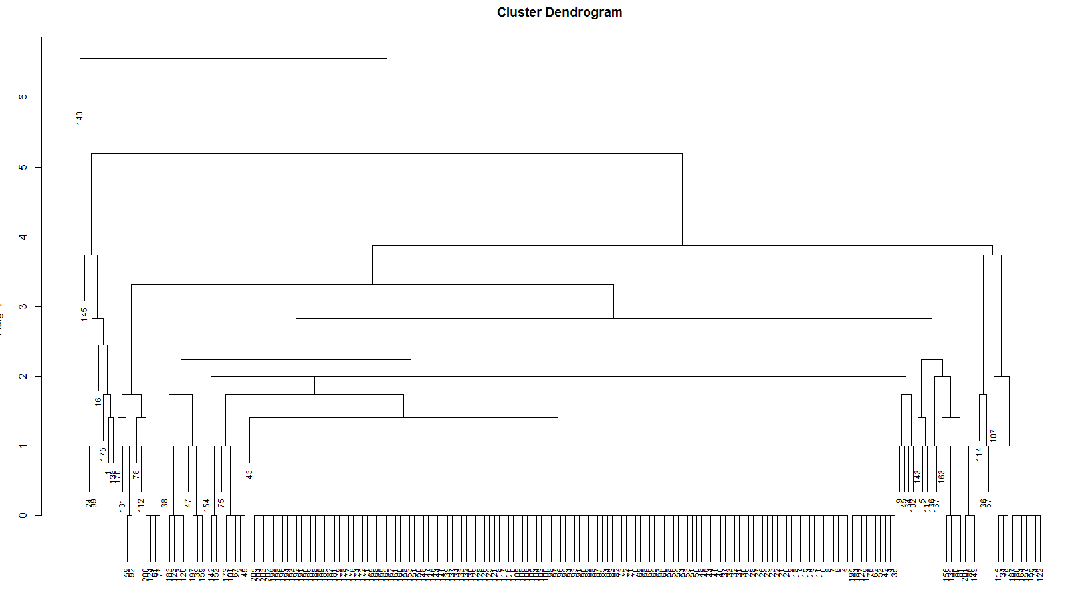
comp
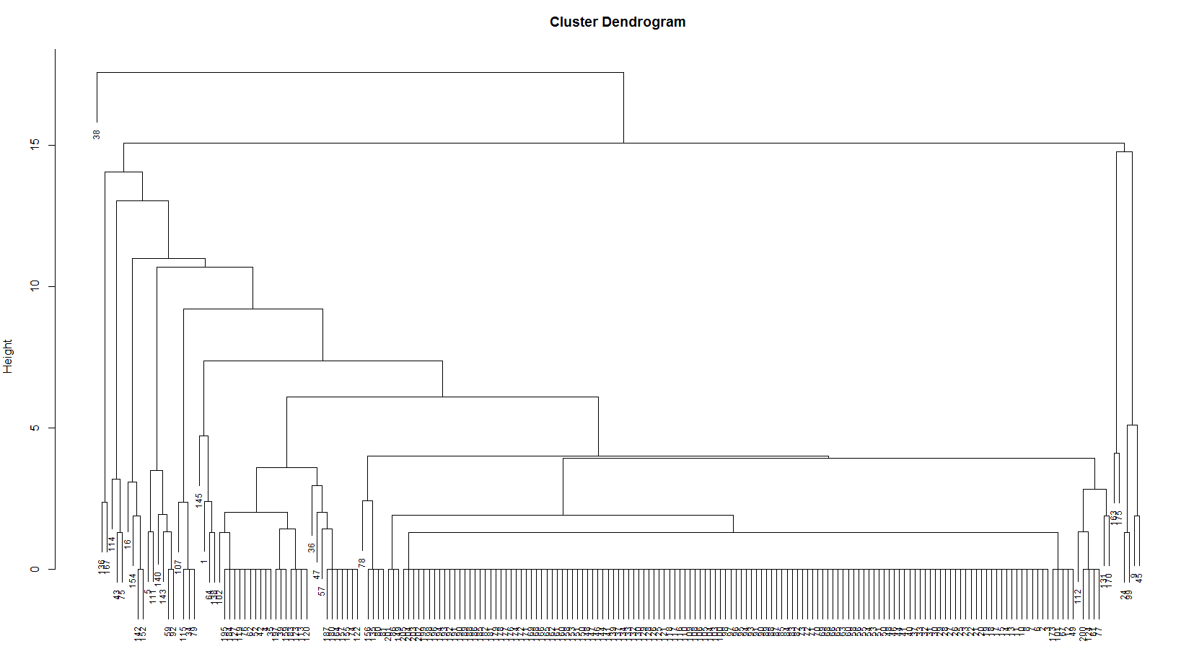

train

Hierarchical Cluster Plot (3)
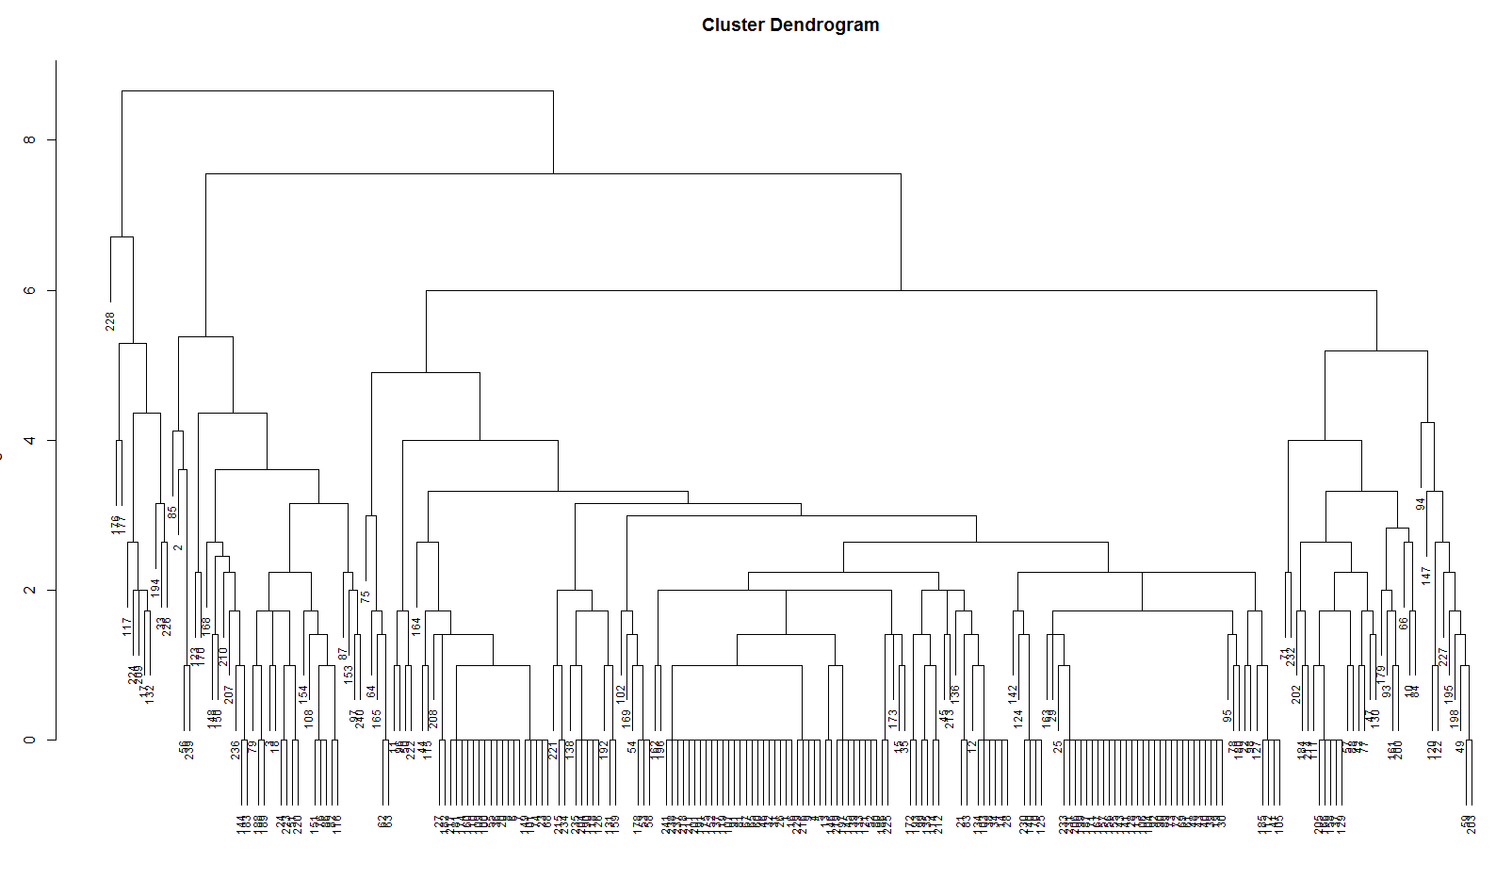
comp
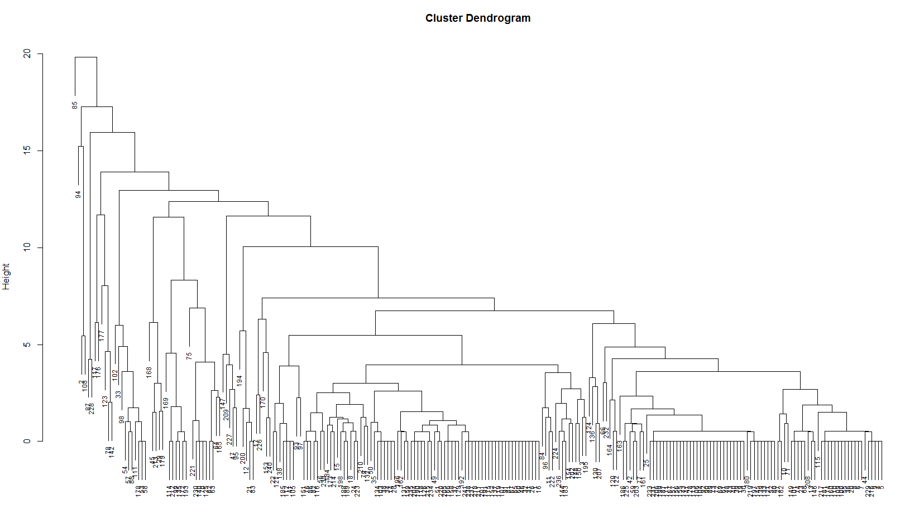

train

Hierarchical Cluster Plot (4)
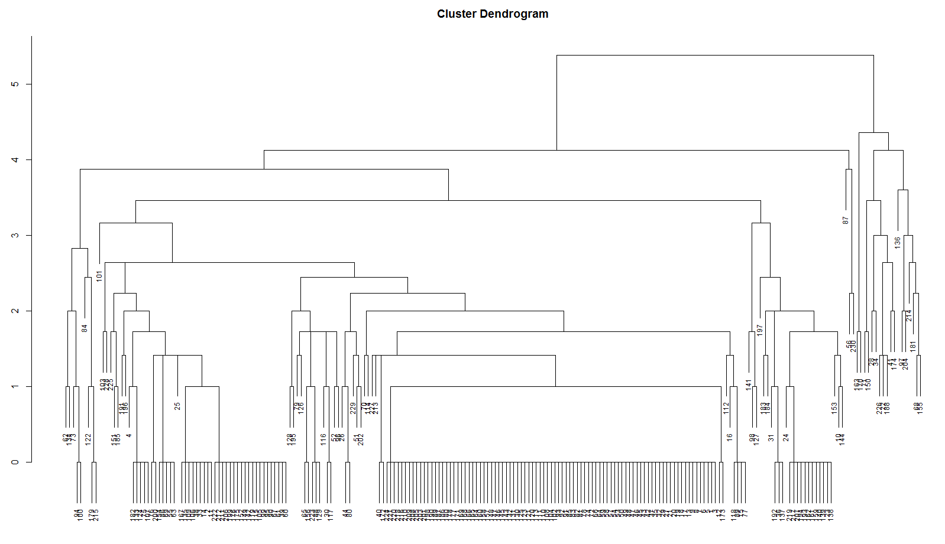
comp
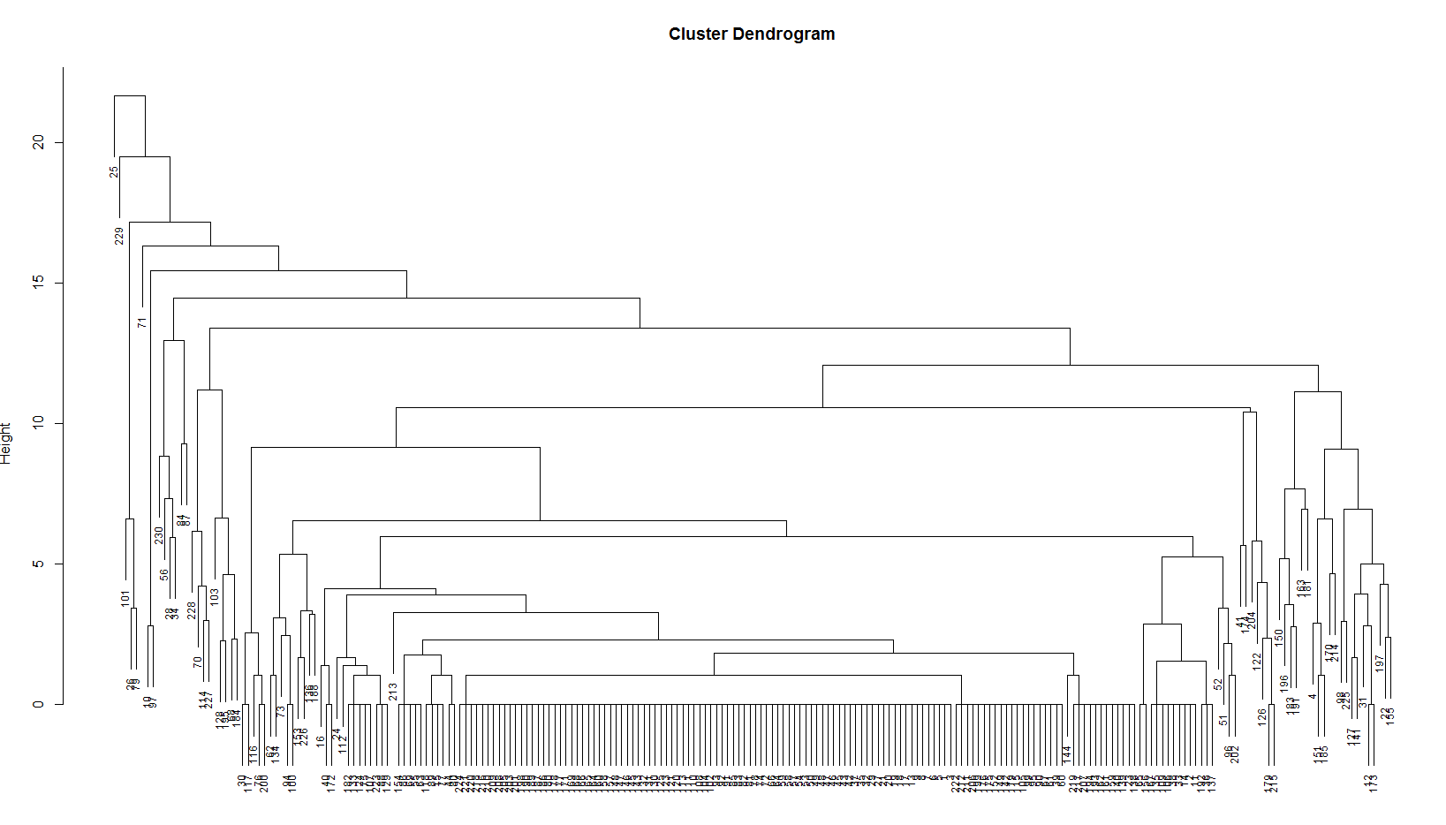

train

